Test Cases - Funtional
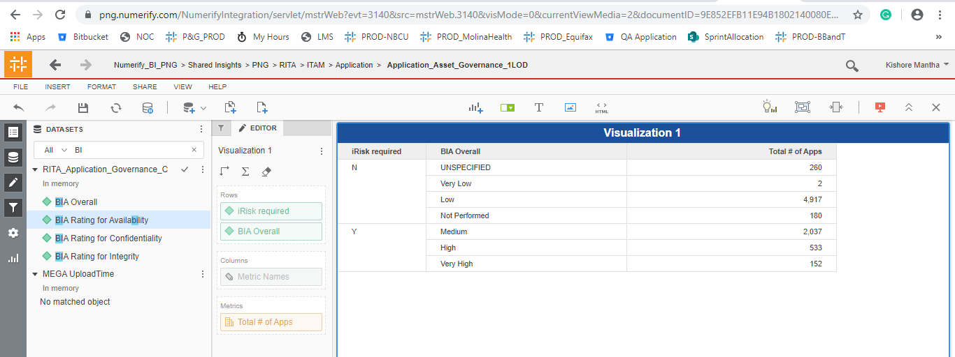
INDEX

TC_No | Test Case | Test Description | Expected Result | Actual Result | Result | Defect JIRA # | Comments
1 | DELV-19877 | CMDB Final Validation in UAT Instance post comparision with PROD instance | PROD Validation for the CMDB and the SEP-2019 release CR"s

DELV-19003 | CR-353

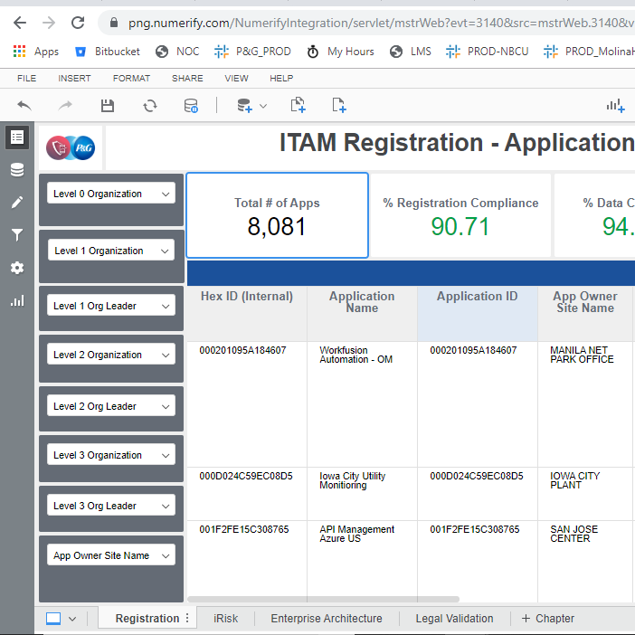
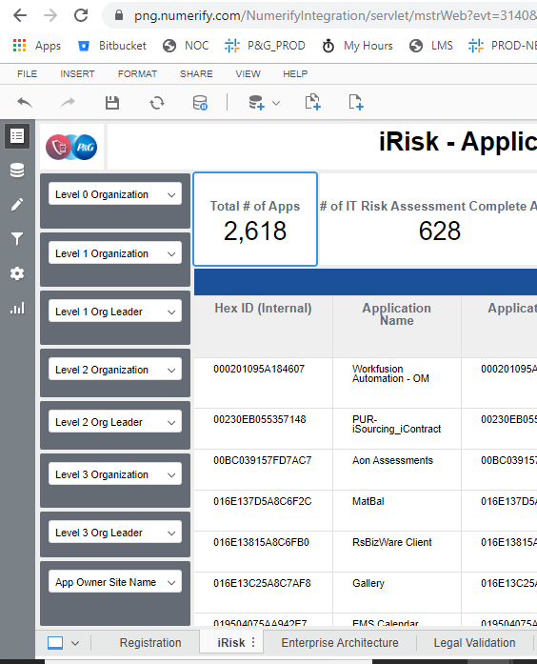
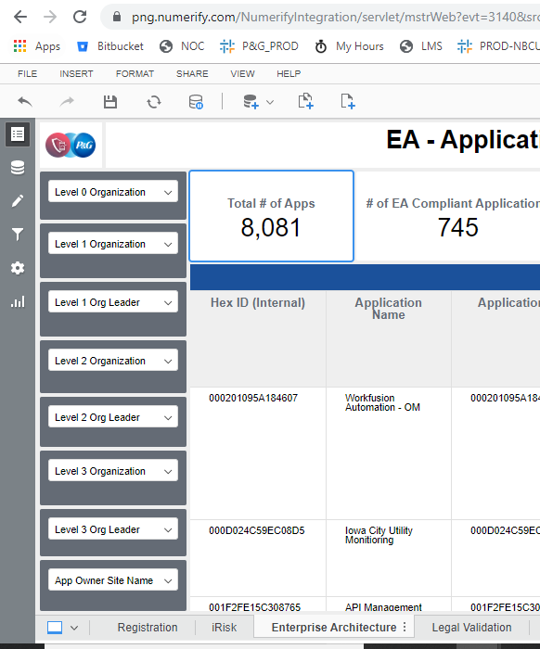
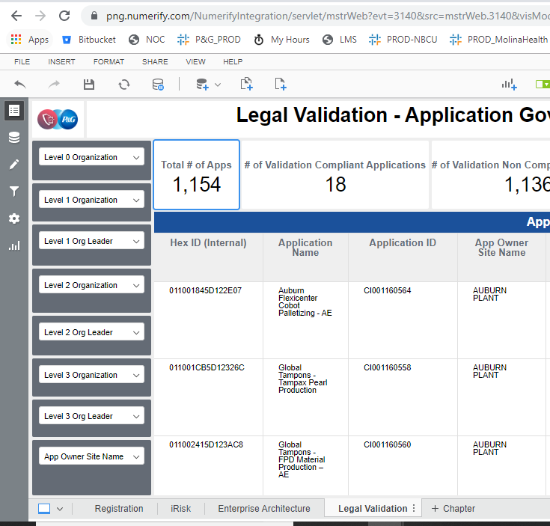

DELV-19002

As part of DELV-18473 MOVE TO PROD CMDB Changes from Mega to CI, the coloumn for the 'License' is picked up form the Cmdb_ci_app.U_LICENSE where the values are popualted as per the data.

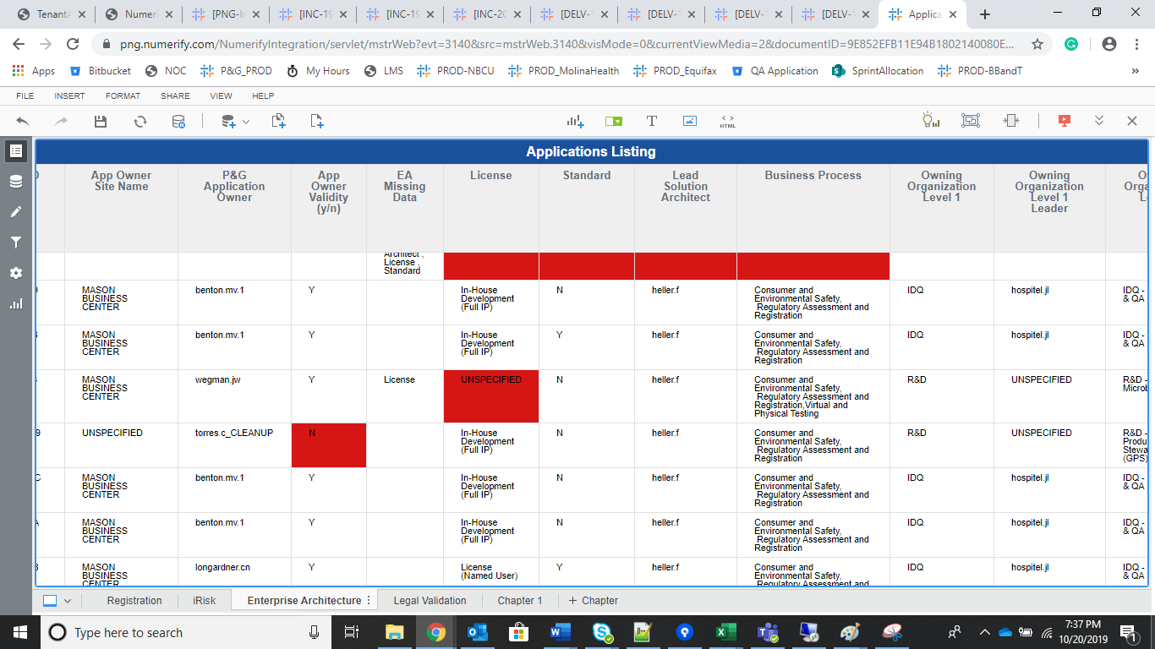

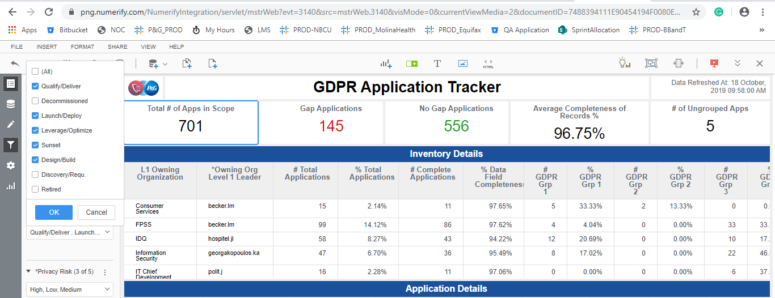

DELV-18954

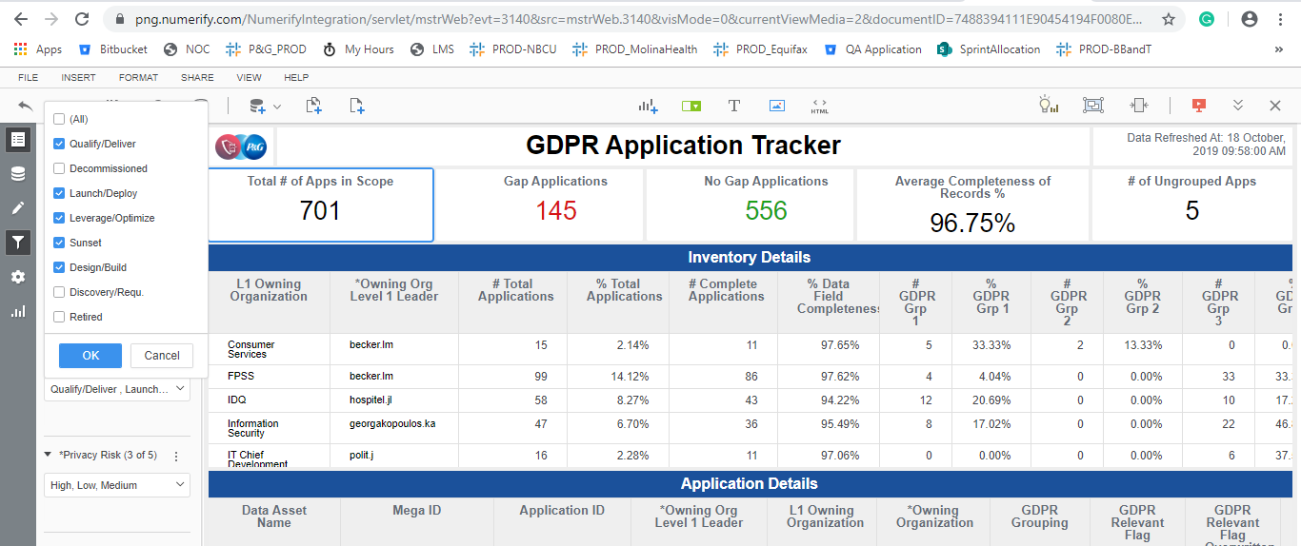


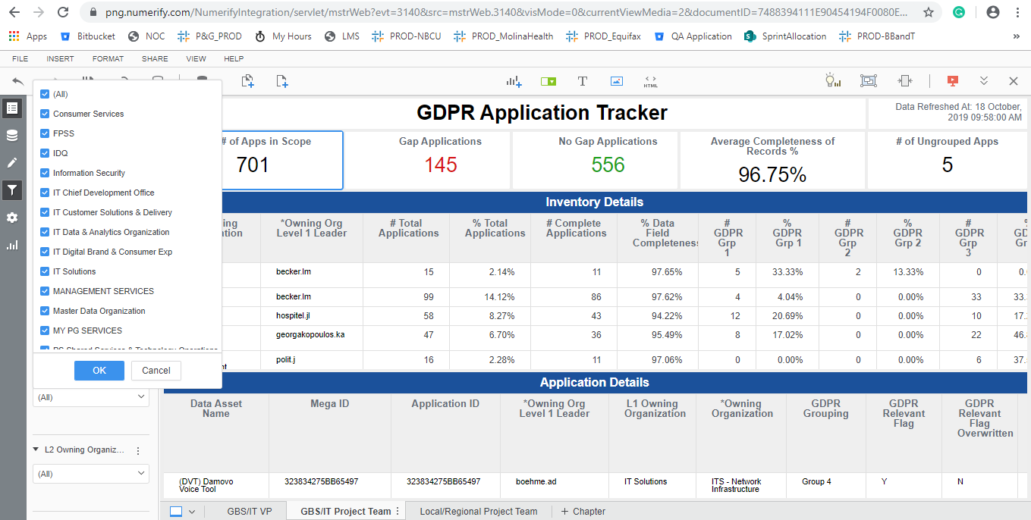
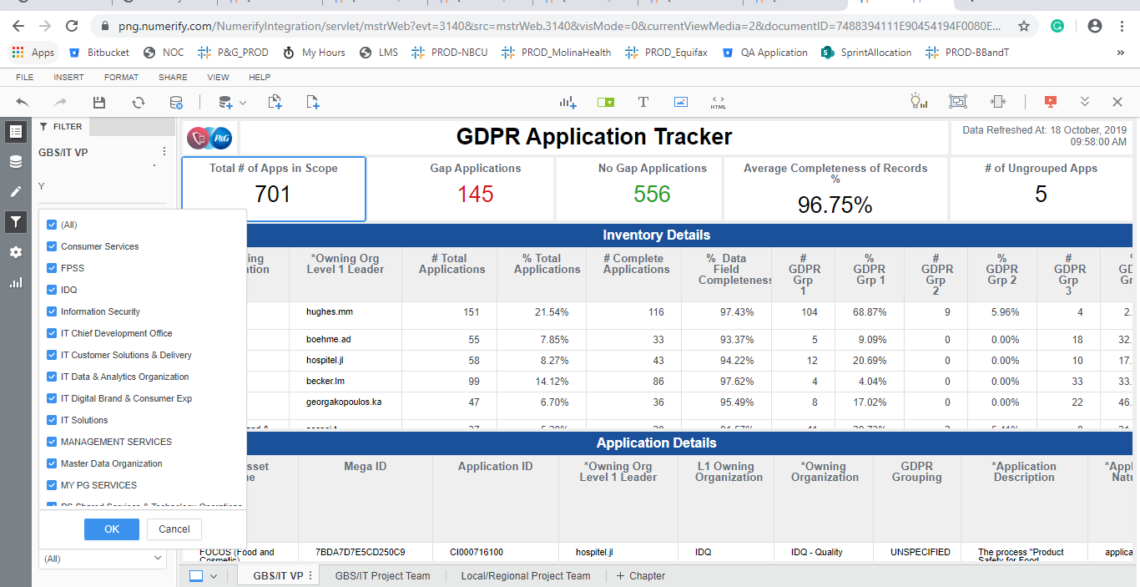

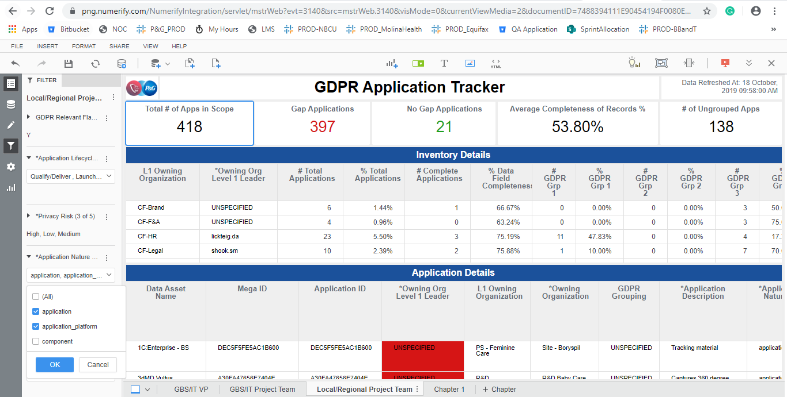
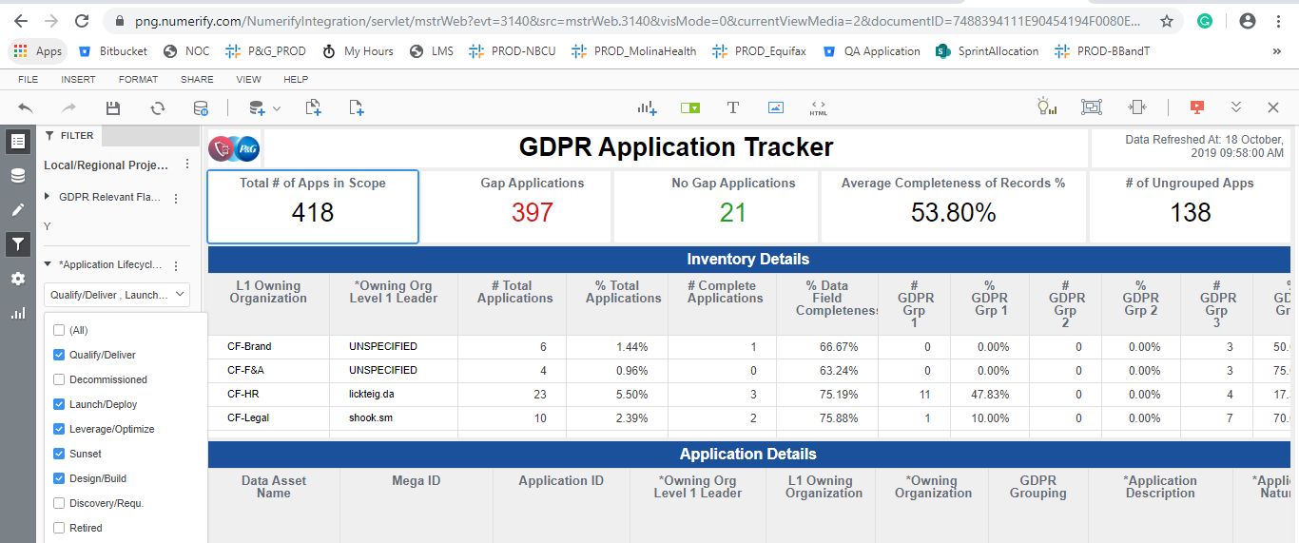
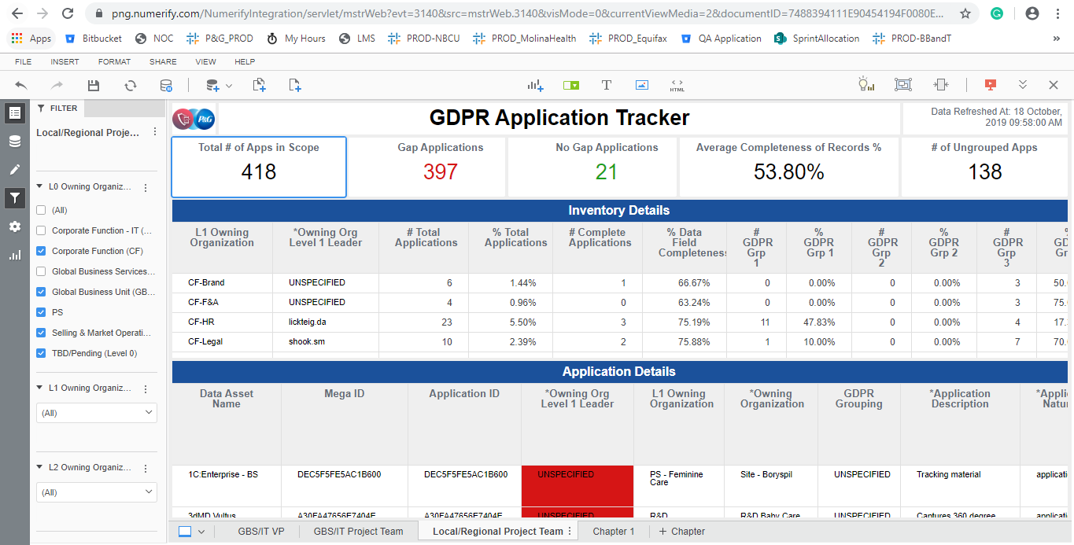

DELV-18957 |  |  |  | Irisk required is only 'Y' ans renamed respectivelly
 | Lifecycle Status Unchecked the Sunset and Retired
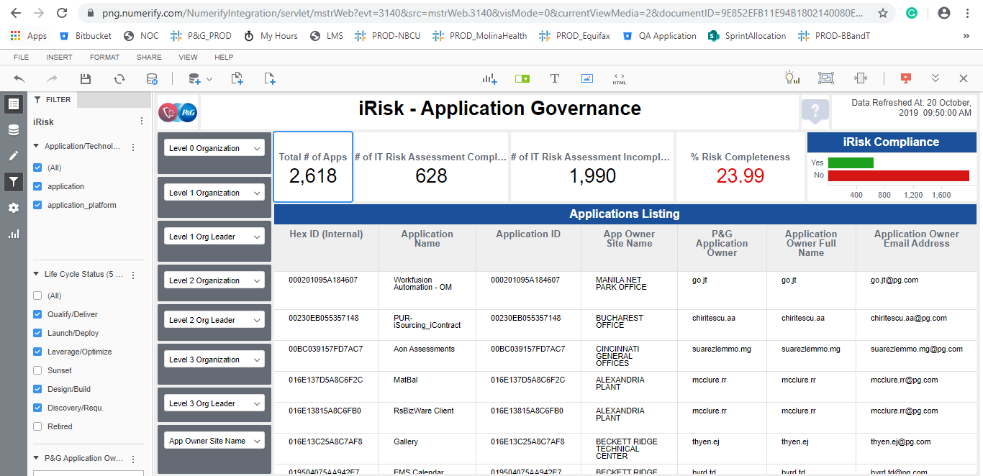
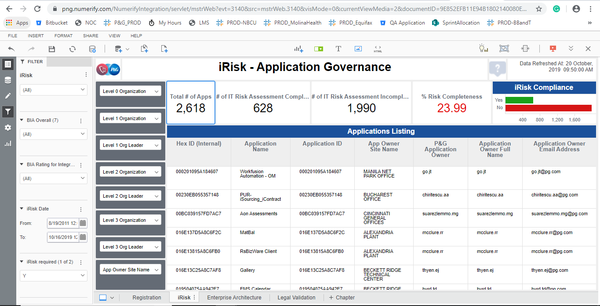

 | BIA Overall Attributes

